Google Chrome Testing
 | Project Name: | Schaumburg Market Place | Test Designed by: | Pooja
 | Module Name: | Jobs | Test Designed date: | 2024-03-06
 | Release Version: | Sprint 1 | Test Executed by: | Pooja
 |  |  | Test Execution date: | 2024-03-06

Test Case# | Test Description | Test Steps | Test Data | Test Environment | Expected Result | Actual Result | Status | Comments
TC01 | Verify Jobs menu page | 1. Open the browser | https://www.schaumburgmarketplace.net/ | Google Chrome | Browser should be launched successfully. | Browser launched successfully. | Pass
 |  | 2. Got to URL: https://www.schaumburgmarketplace.net/ |  |  | Website should be opened successfully. | Website opened successfully.
 |  | 3. Click on Jobs menu |  |  | "Search Jobs" page should be displayed. | "Search Jobs" page displayed.

TC02 | Check font format and grammar of "Search Jobs By" options | 1. Open the browser | https://www.schaumburgmarketplace.net/ | Google Chrome | Browser should be launched successfully. | Browser launched successfully. | Pass
 |  | 2. Got to URL: https://www.schaumburgmarketplace.net/ |  |  | Website should be opened successfully. | Website opened successfully.
 |  | 3. Click on Jobs menu |  |  | "Search Jobs" page should be displayed. | "Search Jobs" page displayed.
 |  | 4. Verify font & grammar of "Keyword Search" option. |  |  | "Keyword Search" option should be displayed in Bold and without any grammar mistake. | "Keyword Search" option is displayed in Bold and without any grammar mistake.
 |  | 5. Verify font & grammar of "Jobs Category" option. |  |  | "Jobs Category" option should be displayed in Bold and without any grammar mistake. | "Jobs Category" option is displayed in Bold and without any grammar mistake.
 |  | 6. Verify font & grammar of "Company Name" option. |  |  | "Company Name" option should be displayed in Bold and without any grammar mistake. | "Company Name" option is displayed in Bold and without any grammar mistake.
 |  | 7. Verify font & grammar of "Position Type" option. |  |  | "Position Type" option should be displayed in Bold and without any grammar mistake. | "Position Type" option is displayed in Bold and without any grammar mistake.
 |  | 8. Verify font & grammar of "Job Status" option. |  |  | "Job Status" option should be displayed in Bold and without any grammar mistake. | "Job Status" option is displayed in Bold and without any grammar mistake.
 |  | 9. Verify font & grammar of "Job Title" option. |  |  | "Job Title" option should be displayed in Bold and without any grammar mistake. | "Job Title" option is displayed in Bold and without any grammar mistake.
 |  | 10. Verify font & grammar of "Location" option. |  |  | "Location" option should be displayed in Bold and without any grammar mistake. | "Location" option is displayed in Bold and without any grammar mistake.
 |  | 11. Verify font & grammar of "Education Requirements" option. |  |  | "Education Requirements" option should be displayed in Bold and without any grammar mistake. | "Education Requirements" option is displayed in Bold and without any grammar mistake.

TC03 | Verify Default Selection of "Position Type", "Job Status" and "Education Requirements" options | 1. Open the browser | https://www.schaumburgmarketplace.net/ | Google Chrome | Browser should be launched successfully. | Browser launched successfully. | Pass
 |  | 2. Got to URL: https://www.schaumburgmarketplace.net/ |  |  | Website should be opened successfully. | Website opened successfully.
 |  | 3. Click on Jobs menu |  |  | "Search Jobs" page should be displayed. | "Search Jobs" page displayed.
 |  | 4. Verify Default Selection of "Position Type". |  |  | Default Selection of "Position Type" option should be "Full-time". | Default Selection of "Position Type" option is "Full-time".
 |  | 5. Verify Default Selection of "Job Status". |  |  | Default Selection of "Job Status" option should be "Active". | Default Selection of "Job Status" option is Active.
 |  | 6. Verify Default Selection of "Education Requirements". |  |  | Default Selection of "Education Requirements" option should be "Bachelor Degree". | Default Selection of "Education Requirements" option is "Bachelor Degree".

TC04 | Search Jobs by "Keyword Search" option | 1. Open the browser | https://www.schaumburgmarketplace.net/ | Google Chrome | Browser should be launched successfully. | Browser launched successfully. | Pass
 |  | 2. Got to URL: https://www.schaumburgmarketplace.net/ |  |  | Website should be opened successfully. | Website opened successfully.
 |  | 3. Click on Jobs menu |  |  | "Search Jobs" page should be displayed. | "Search Jobs" page displayed.
 |  | 4. Enter "QA" Keyword in "Keyword Search" option |  |  | "Keyword Search" option should be typeable & "QA" input string should be acceptable. | "QA" input string is accepted in "Keyword Search" option.
 |  | 5. Click on Search button. |  |  | All the "QA" related jobs should be displayed. | All the "QA" related jobs are displayed.

TC05 | Search Jobs by "Job Category" option | 1. Open the browser | https://www.schaumburgmarketplace.net/ | Google Chrome | Browser should be launched successfully. | Browser launched successfully. | Pass
 |  | 2. Got to URL: https://www.schaumburgmarketplace.net/ |  |  | Website should be opened successfully. | Website opened successfully.
 |  | 3. Click on Jobs menu |  |  | "Search Jobs" page should be displayed. | "Search Jobs" page displayed.
 |  | 4. Select "Information Technology" option in "Job Category". |  |  | Under "Job Category" Information Technology option should be selected successfully | Under "Job Category" Information Technology option is selected successfully
 |  | 5. Click on Search button. |  |  | All the "Information Technology" related jobs should be displayed. | All the "Information Technology" related jobs are displayed.

TC06 | Search Jobs by "Company Name" option | 1. Open the browser | https://www.schaumburgmarketplace.net/ | Google Chrome | Browser should be launched successfully. | Browser launched successfully. | Pass
 |  | 2. Got to URL: https://www.schaumburgmarketplace.net/ |  |  | Website should be opened successfully. | Website opened successfully.
 |  | 3. Click on Jobs menu |  |  | "Search Jobs" page should be displayed. | "Search Jobs" page displayed.
 |  | 4. Enter "IT Expert System" Keyword in "Company Name" option |  |  | "Company Name" option should be typeable & "IT Expert System" input string should be acceptable. | "Company Name" option should be typeable & "IT Expert System" input string is acceptable.
 |  | 5. Click on Search button. |  |  | All the "IT Expert System" related jobs should be displayed. | All the "IT Expert System" related jobs are displayed.

TC07 | Search Jobs by "Position Type" option | 1. Open the browser | https://www.schaumburgmarketplace.net/ | Google Chrome | Browser should be launched successfully. | Browser launched successfully. | Pass
 |  | 2. Got to URL: https://www.schaumburgmarketplace.net/ |  |  | Website should be opened successfully. | Website opened successfully.
 |  | 3. Click on Jobs menu |  |  | "Search Jobs" page should be displayed. | "Search Jobs" page displayed.
 |  | 4. Select "Part-Time" option in "Position Type". |  |  | Under "Position Type" Part-Time option should be selected successfully | Under "Position Type" Part-Time option is selected successfully
 |  | 5. Click on Search button. |  |  | All the "Part-Time" jobs should be displayed. | All the "Part-Time" jobs are displayed.

TC08 | Search Jobs by "Job Status" option | 1. Open the browser | https://www.schaumburgmarketplace.net/ | Google Chrome | Browser should be launched successfully. | Browser launched successfully. | Pass
 |  | 2. Got to URL: https://www.schaumburgmarketplace.net/ |  |  | Website should be opened successfully. | Website opened successfully.
 |  | 3. Click on Jobs menu |  |  | "Search Jobs" page should be displayed. | "Search Jobs" page displayed.
 |  | 4. Select "Active" option in "Job Status". |  |  | Under "Job Status" Active option should be selected successfully | Under "Job Status" Active option is selected successfully
 |  | 5. Click on Search button. |  |  | All the "Active" status jobs should be displayed. | All the "Active" status jobs are displayed.

TC09 | Search Jobs by "Job Title" option | 1. Open the browser | https://www.schaumburgmarketplace.net/ | Google Chrome | Browser should be launched successfully. | Browser launched successfully. | Pass
 |  | 2. Got to URL: https://www.schaumburgmarketplace.net/ |  |  | Website should be opened successfully. | Website opened successfully.
 |  | 3. Click on Jobs menu |  |  | "Search Jobs" page should be displayed. | "Search Jobs" page displayed.
 |  | 4. Enter "Software Tester" Keyword in "Job Title" option |  |  | "Job Title" option should be typeable & "Software Tester" input string should be acceptable. | "Software Tester" input string is acceptable.
 |  | 5. Click on Search button. |  |  | All the "Software Tester" related jobs should be displayed. | All the "Software Tester" related jobs are displayed.

TC10 | Search Jobs by "Location" option | 1. Open the browser | https://www.schaumburgmarketplace.net/ | Google Chrome | Browser should be launched successfully. | Browser launched successfully. | Pass
 |  | 2. Got to URL: https://www.schaumburgmarketplace.net/ |  |  | Website should be opened successfully. | Website opened successfully.
 |  | 3. Click on Jobs menu |  |  | "Search Jobs" page should be displayed. | "Search Jobs" page displayed.
 |  | 4. Enter "Chicago" location in "location" option |  |  | "Location" option should be typeable & "Chicago" input string should be acceptable. | "Location" option is typeable & "Chicago" input string has acceptable.
 |  | 5. Click on Search button. |  |  | All jobs in "Chicago" location should be displayed. | All jobs in "Chicago" location are displayed.

TC11 | Search Jobs by "Education Requirements" option | 1. Open the browser | https://www.schaumburgmarketplace.net/ | Google Chrome | Browser should be launched successfully. | Browser launched successfully. | Pass
 |  | 2. Got to URL: https://www.schaumburgmarketplace.net/ |  |  | Website should be opened successfully. | Website opened successfully.
 |  | 3. Click on Jobs menu |  |  | "Search Jobs" page should be displayed. | "Search Jobs" page displayed.
 |  | 4. Select "Associate Degree" option in "Education Requirements". |  |  | Under "Education Requirements" Associate Degree option should be selected successfully. | Under "Education Requirements" Associate Degree option is selected successfully.
 |  | 5. Click on Search button. |  |  | All the "Associate Degree" education related jobs should be displayed. | All the "Associate Degree" education related jobs should be displayed.

TC12 | Search Jobs by "Job Category and Job Title" | 1. Open the browser | https://www.schaumburgmarketplace.net/ | Google Chrome | Browser should be launched successfully. | Browser launched successfully. | Fail | 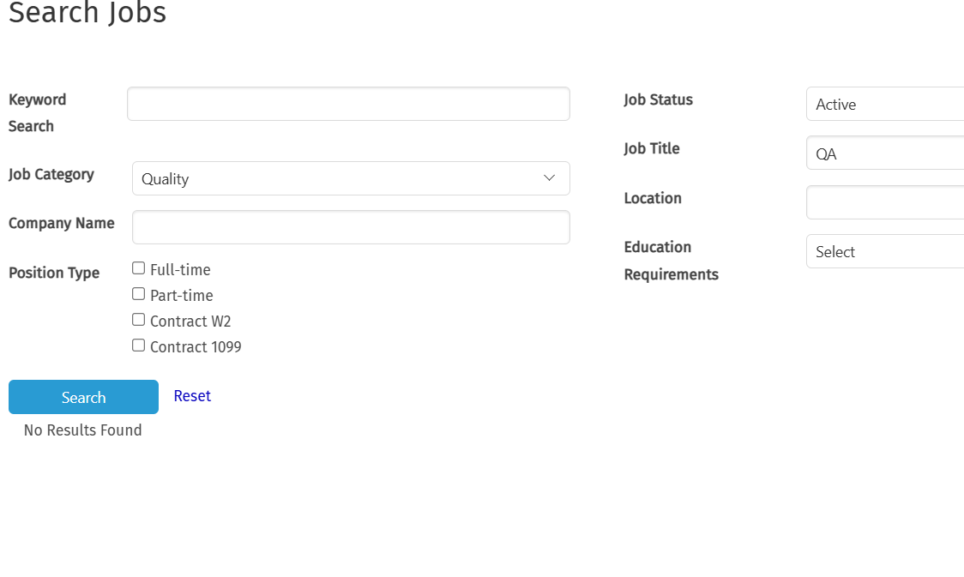
 |  | 2. Got to URL: https://www.schaumburgmarketplace.net/ |  |  | Website should be opened successfully. | Website opened successfully.
 |  | 3. Click on Jobs menu |  |  | "Search Jobs" page should be displayed. | "Search Jobs" page displayed.
 |  | 4. Select "Quality" option in "Job Category". |  |  | Under "Job Category" QA option should be selected successfully | Under "Job Category" QA option is selected successfully
 |  | 5. Enter "QA" keyword in "Job Title". |  |  | "Job Title" option should be typeable & "QA" input string should be acceptable. | "Job Title" option is typeable & "QA" input string is acceptable.
 |  | 6. Click on Search button. |  |  | All the "QA" related jobs should be displayed. | All the "QA" related jobs are not displayed.

TC13 | Check for "Reset" buttton functionality | 1. Open the browser | https://www.schaumburgmarketplace.net/ | Google Chrome | Browser should be launched successfully. | Browser launched successfully. | Pass
 |  | 2. Got to URL: https://www.schaumburgmarketplace.net/ |  |  | Website should be opened successfully. | Website opened successfully.
 |  | 3. Click on Jobs menu |  |  | "Search Jobs" page should be displayed. | "Search Jobs" page displayed.
 |  | 4. Click on "Reset" button. |  |  | "Reset" button should be working properly. | "Reset" button is working properly.

TC14 | Check font format and grammar of Job page Description | 1. Open the browser | https://www.schaumburgmarketplace.net/ | Google Chrome | Browser should be launched successfully. | Browser launched successfully. | Pass |  Retested This defect and Now It's passed Successfully
 |  | 2. Got to URL: https://www.schaumburgmarketplace.net/ |  |  | Website should be opened successfully. | Website opened successfully.
 |  | 3. Click on Jobs menu |  |  | "Search Jobs" page should be displayed. | "Search Jobs" page displayed.
 |  | 4. Verify Jobs page description |  |  | Expected result of description should be "Embark on your career journey at Schaumburg Market Place, where opportunities align with aspirations. Our platform offers diverse job openings across industries, catering to professionals at every stage. Join us to unlock your potential and turn your career dreams into reality in Schaumburg's vibrant community." | "your" keyword is missing from the description text of Search Jobs home page.

TC15 | Check for "Reset" buttton functionality | 1. Open the browser | https://www.schaumburgmarketplace.net/ | Google Chrome | Browser should be launched successfully. | Browser launched successfully. | Pass
 |  | 2. Got to URL: https://www.schaumburgmarketplace.net/ |  |  | Website should be opened successfully. | Website opened successfully.
 |  | 3. Click on Jobs menu |  |  | "Search Jobs" page should be displayed. | "Search Jobs" page displayed.
 |  | 4. Click on "Reset" button. |  |  | "Reset" button should be working properly. | "Reset" button is working properly.

TC16 | Verify "View Job" link functionality | 1. Open the browser | https://www.schaumburgmarketplace.net/ | Google Chrome | Browser should be launched successfully. | Browser launched successfully. | Pass
 |  | 2. Got to URL: https://www.schaumburgmarketplace.net/ |  |  | Website should be opened successfully. | Website opened successfully.
 |  | 3. Click on Jobs menu |  |  | "Search Jobs" page should be displayed. | "Search Jobs" page displayed.
 |  | 4. Select Job Category as "Management" |  |  | Under "Job Category" Management option should be selected successfully | As Expected result
 |  | 5. Click on Search button. |  |  | All the "Management" related jobs should be displayed. | All the "Management" related jobs are displayed.
 |  | 6. Click on "View Job" link. |  |  | Whole Job related information should be displayed in detail. | As Expected result

TC17 | Verify "Apply for Job" link functionality | 1. Open the browser | https://www.schaumburgmarketplace.net/ | Google Chrome | Browser should be launched successfully. | Browser launched successfully. | Fail
 |  | 2. Got to URL: https://www.schaumburgmarketplace.net/ |  |  | Website should be opened successfully. | Website opened successfully.
 |  | 3. Click on Jobs menu |  |  | "Search Jobs" page should be displayed. | "Search Jobs" page displayed.
 |  | 4. Select Job Category as "Management" |  |  | Under "Job Category" Management option should be selected successfully | As Expected result
 |  | 5. Click on Search button. |  |  | All the "Management" related jobs should be displayed. | All the "Management" related jobs are displayed.
 |  | 6. Click on "Apply for Job" link. |  |  | Login button should be displayed for the user to proceed ahead to apply for the job. | A confusing White screen is getting displayed at the front and User needs to scroll the page up to see the login button.

TC18 | Verify "Login" functionality while Applying for Jobs | 1. Open the browser | https://www.schaumburgmarketplace.net/ | Google Chrome | Browser should be launched successfully. | Browser launched successfully. | Fail | 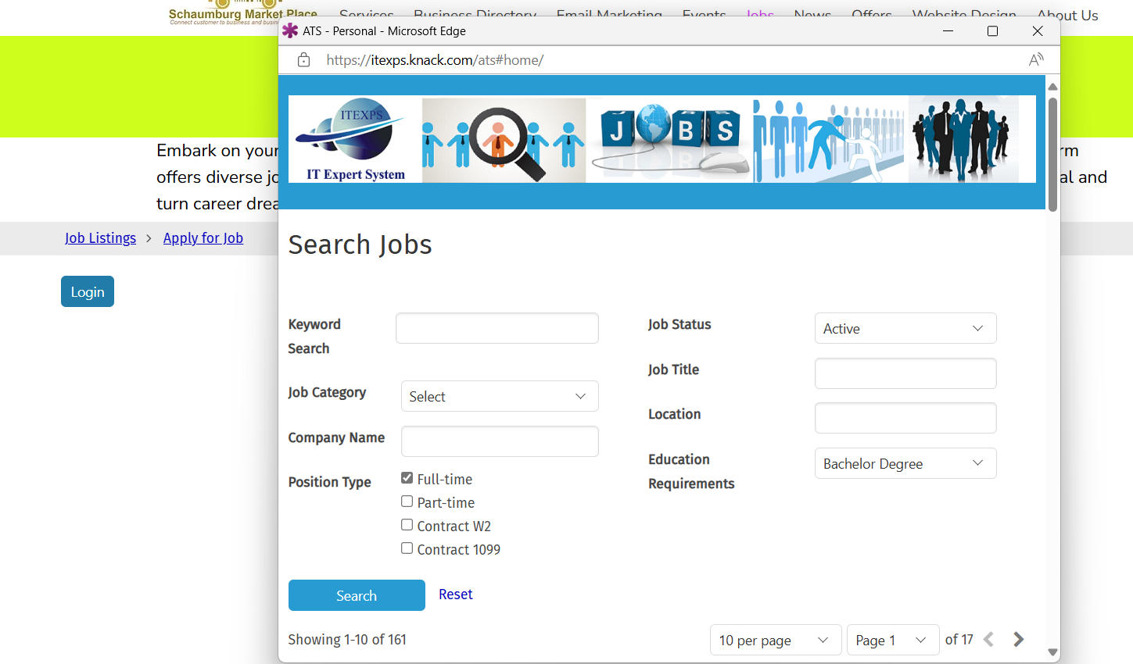
 |  | 2. Got to URL: https://www.schaumburgmarketplace.net/ |  |  | Website should be opened successfully. | Website opened successfully.
 |  | 3. Click on Jobs menu |  |  | "Search Jobs" page should be displayed. | "Search Jobs" page displayed.
 |  | 4. Select Job Category as "Management" |  |  | Under "Job Category" Management option should be selected successfully | As Expected result
 |  | 5. Click on Search button. |  |  | All the "Management" related jobs should be displayed. | As Expected result
 |  | 6. Click on "Apply for Job" link. |  |  | Login button should be displayed for the user to proceed ahead to apply for the job. | As Expected result (Afrer scrolling up)
 |  | 7. Click on "Login" button. |  |  | Login or SignUp form should be displayed to proceed ahead to apply for the job. | User is redirected to "Search Jobs" home page.

Android Device Testing
 | Project Name: | Schaumburg Market Place | Test Designed by: | Pooja
 | Module Name: | Jobs | Test Designed date: | 2024-04-06
 | Release Version: | Sprint 1 | Test Executed by: | Pooja
 |  |  | Test Execution date: | 2024-05-06

Test Case# | Test Description | Test Steps | Test Data | Test Environment | Expected Result | Actual Result | Status | Comments
TC37 | Verify Jobs menu page | 1. Open the browser | https://www.schaumburgmarketplace.net/ | Android Device (Samsung A71) | Browser should be launched successfully. | Browser launched successfully. | Pass
 |  | 2. Got to URL: https://www.schaumburgmarketplace.net/ |  |  | Website should be opened successfully. | Website opened successfully.
 |  | 3. Click on Jobs menu |  |  | "Search Jobs" page should be displayed. | "Search Jobs" page displayed.

TC38 | Check font format and grammar of "Search Jobs By" options | 1. Open the browser | https://www.schaumburgmarketplace.net/ | Android Device (Samsung A71) | Browser should be launched successfully. | Browser launched successfully. | Pass
 |  | 2. Got to URL: https://www.schaumburgmarketplace.net/ |  |  | Website should be opened successfully. | Website opened successfully.
 |  | 3. Click on Jobs menu |  |  | "Search Jobs" page should be displayed. | "Search Jobs" page displayed.
 |  | 4. Verify font & grammar of "Keyword Search" option. |  |  | "Keyword Search" option should be displayed in Bold and without any grammar mistake. | "Keyword Search" option is displayed in Bold and without any grammar mistake.
 |  | 5. Verify font & grammar of "Jobs Category" option. |  |  | "Jobs Category" option should be displayed in Bold and without any grammar mistake. | "Jobs Category" option is displayed in Bold and without any grammar mistake.
 |  | 6. Verify font & grammar of "Company Name" option. |  |  | "Company Name" option should be displayed in Bold and without any grammar mistake. | "Company Name" option is displayed in Bold and without any grammar mistake.
 |  | 7. Verify font & grammar of "Position Type" option. |  |  | "Position Type" option should be displayed in Bold and without any grammar mistake. | "Position Type" option is displayed in Bold and without any grammar mistake.
 |  | 8. Verify font & grammar of "Job Status" option. |  |  | "Job Status" option should be displayed in Bold and without any grammar mistake. | "Job Status" option is displayed in Bold and without any grammar mistake.
 |  | 9. Verify font & grammar of "Job Title" option. |  |  | "Job Title" option should be displayed in Bold and without any grammar mistake. | "Job Title" option is displayed in Bold and without any grammar mistake.
 |  | 10. Verify font & grammar of "Location" option. |  |  | "Location" option should be displayed in Bold and without any grammar mistake. | "Location" option is displayed in Bold and without any grammar mistake.
 |  | 11. Verify font & grammar of "Education Requirements" option. |  |  | "Education Requirements" option should be displayed in Bold and without any grammar mistake. | "Education Requirements" option is displayed in Bold and without any grammar mistake.

TC39 | Verify Default Selection of "Position Type", "Job Status" and "Education Requirements" options | 1. Open the browser | https://www.schaumburgmarketplace.net/ | Android Device (Samsung A71) | Browser should be launched successfully. | Browser launched successfully. | Pass
 |  | 2. Got to URL: https://www.schaumburgmarketplace.net/ |  |  | Website should be opened successfully. | Website opened successfully.
 |  | 3. Click on Jobs menu |  |  | "Search Jobs" page should be displayed. | "Search Jobs" page displayed.
 |  | 4. Verify Default Selection of "Position Type". |  |  | Default Selection of "Position Type" option should be "Full-time". | Default Selection of "Position Type" option is "Full-time".
 |  | 5. Verify Default Selection of "Job Status". |  |  | Default Selection of "Job Status" option should be "Active". | Default Selection of "Job Status" option is Active.
 |  | 6. Verify Default Selection of "Education Requirements". |  |  | Default Selection of "Education Requirements" option should be "Bachelor Degree". | Default Selection of "Education Requirements" option is "Bachelor Degree".

TC40 | Search Jobs by "Keyword Search" option | 1. Open the browser | https://www.schaumburgmarketplace.net/ | Android Device (Samsung A71) | Browser should be launched successfully. | Browser launched successfully. | Pass
 |  | 2. Got to URL: https://www.schaumburgmarketplace.net/ |  |  | Website should be opened successfully. | Website opened successfully.
 |  | 3. Click on Jobs menu |  |  | "Search Jobs" page should be displayed. | "Search Jobs" page displayed.
 |  | 4. Enter "QA" Keyword in "Keyword Search" option |  |  | "Keyword Search" option should be typeable & "QA" input string should be acceptable. | "QA" input string is accepted in "Keyword Search" option.
 |  | 5. Click on Search button. |  |  | All the "QA" related jobs should be displayed. | All the "QA" related jobs are displayed.

TC41 | Search Jobs by "Job Category" option | 1. Open the browser | https://www.schaumburgmarketplace.net/ | Android Device (Samsung A71) | Browser should be launched successfully. | Browser launched successfully. | Pass
 |  | 2. Got to URL: https://www.schaumburgmarketplace.net/ |  |  | Website should be opened successfully. | Website opened successfully.
 |  | 3. Click on Jobs menu |  |  | "Search Jobs" page should be displayed. | "Search Jobs" page displayed.
 |  | 4. Select "Information Technology" option in "Job Category". |  |  | Under "Job Category" Information Technology option should be selected successfully | Under "Job Category" Information Technology option is selected successfully
 |  | 5. Click on Search button. |  |  | All the "Information Technology" related jobs should be displayed. | All the "Information Technology" related jobs are displayed.

TC42 | Search Jobs by "Company Name" option | 1. Open the browser | https://www.schaumburgmarketplace.net/ | Android Device (Samsung A71) | Browser should be launched successfully. | Browser launched successfully. | Pass
 |  | 2. Got to URL: https://www.schaumburgmarketplace.net/ |  |  | Website should be opened successfully. | Website opened successfully.
 |  | 3. Click on Jobs menu |  |  | "Search Jobs" page should be displayed. | "Search Jobs" page displayed.
 |  | 4. Enter "IT Expert System" Keyword in "Company Name" option |  |  | "Company Name" option should be typeable & "IT Expert System" input string should be acceptable. | "Company Name" option should be typeable & "IT Expert System" input string is acceptable.
 |  | 5. Click on Search button. |  |  | All the "IT Expert System" related jobs should be displayed. | All the "IT Expert System" related jobs are displayed.

TC43 | Search Jobs by "Position Type" option | 1. Open the browser | https://www.schaumburgmarketplace.net/ | Android Device (Samsung A71) | Browser should be launched successfully. | Browser launched successfully. | Pass
 |  | 2. Got to URL: https://www.schaumburgmarketplace.net/ |  |  | Website should be opened successfully. | Website opened successfully.
 |  | 3. Click on Jobs menu |  |  | "Search Jobs" page should be displayed. | "Search Jobs" page displayed.
 |  | 4. Select "Part-Time" option in "Position Type". |  |  | Under "Position Type" Part-Time option should be selected successfully | Under "Position Type" Part-Time option is selected successfully
 |  | 5. Click on Search button. |  |  | All the "Part-Time" jobs should be displayed. | All the "Part-Time" jobs are displayed.

TC44 | Search Jobs by "Job Status" option | 1. Open the browser | https://www.schaumburgmarketplace.net/ | Android Device (Samsung A71) | Browser should be launched successfully. | Browser launched successfully. | Pass
 |  | 2. Got to URL: https://www.schaumburgmarketplace.net/ |  |  | Website should be opened successfully. | Website opened successfully.
 |  | 3. Click on Jobs menu |  |  | "Search Jobs" page should be displayed. | "Search Jobs" page displayed.
 |  | 4. Select "Active" option in "Job Status". |  |  | Under "Job Status" Active option should be selected successfully | Under "Job Status" Active option is selected successfully
 |  | 5. Click on Search button. |  |  | All the "Active" status jobs should be displayed. | All the "Active" status jobs are displayed.

TC45 | Search Jobs by "Job Title" option | 1. Open the browser | https://www.schaumburgmarketplace.net/ | Android Device (Samsung A71) | Browser should be launched successfully. | Browser launched successfully. | Pass
 |  | 2. Got to URL: https://www.schaumburgmarketplace.net/ |  |  | Website should be opened successfully. | Website opened successfully.
 |  | 3. Click on Jobs menu |  |  | "Search Jobs" page should be displayed. | "Search Jobs" page displayed.
 |  | 4. Enter "Software Tester" Keyword in "Job Title" option |  |  | "Job Title" option should be typeable & "Software Tester" input string should be acceptable. | "Software Tester" input string is acceptable.
 |  | 5. Click on Search button. |  |  | All the "Software Tester" related jobs should be displayed. | All the "Software Tester" related jobs are displayed.

TC46 | Search Jobs by "Location" option | 1. Open the browser | https://www.schaumburgmarketplace.net/ | Android Device (Samsung A71) | Browser should be launched successfully. | Browser launched successfully. | Pass
 |  | 2. Got to URL: https://www.schaumburgmarketplace.net/ |  |  | Website should be opened successfully. | Website opened successfully.
 |  | 3. Click on Jobs menu |  |  | "Search Jobs" page should be displayed. | "Search Jobs" page displayed.
 |  | 4. Enter "Chicago" location in "location" option |  |  | "Location" option should be typeable & "Chicago" input string should be acceptable. | "Location" option is typeable & "Chicago" input string has acceptable.
 |  | 5. Click on Search button. |  |  | All jobs in "Chicago" location should be displayed. | All jobs in "Chicago" location are displayed.

TC47 | Search Jobs by "Education Requirements" option | 1. Open the browser | https://www.schaumburgmarketplace.net/ | Android Device (Samsung A71) | Browser should be launched successfully. | Browser launched successfully. | Pass
 |  | 2. Got to URL: https://www.schaumburgmarketplace.net/ |  |  | Website should be opened successfully. | Website opened successfully.
 |  | 3. Click on Jobs menu |  |  | "Search Jobs" page should be displayed. | "Search Jobs" page displayed.
 |  | 4. Select "Associate Degree" option in "Education Requirements". |  |  | Under "Education Requirements" Associate Degree option should be selected successfully. | Under "Education Requirements" Associate Degree option is selected successfully.
 |  | 5. Click on Search button. |  |  | All the "Associate Degree" education related jobs should be displayed. | All the "Associate Degree" education related jobs should be displayed.

TC48 | Search Jobs by "Job Category and Job Title" | 1. Open the browser | https://www.schaumburgmarketplace.net/ | Android Device (Samsung A71) | Browser should be launched successfully. | Browser launched successfully. | Fail | 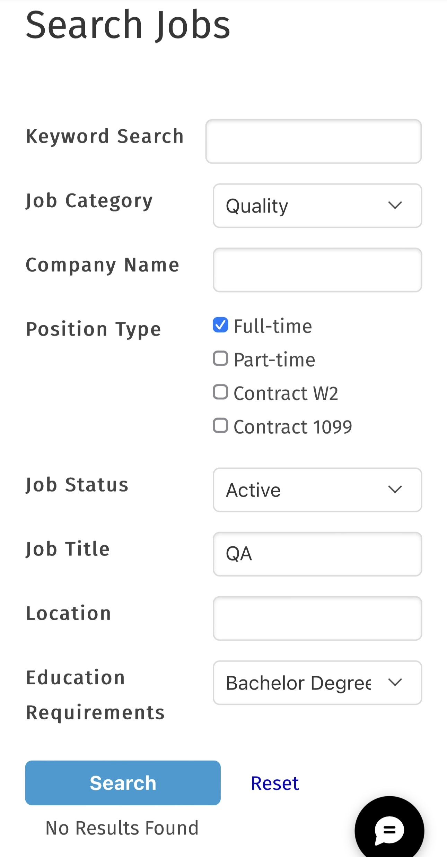
 |  | 2. Got to URL: https://www.schaumburgmarketplace.net/ |  |  | Website should be opened successfully. | Website opened successfully.
 |  | 3. Click on Jobs menu |  |  | "Search Jobs" page should be displayed. | "Search Jobs" page displayed.
 |  | 4. Select "Quality" option in "Job Category". |  |  | Under "Job Category" QA option should be selected successfully | Under "Job Category" QA option is selected successfully
 |  | 5. Enter "QA" keyword in "Job Title". |  |  | "Job Title" option should be typeable & "QA" input string should be acceptable. | "Job Title" option is typeable & "QA" input string is acceptable.
 |  | 6. Click on Search button. |  |  | All the "QA" related jobs should be displayed. | All the "QA" related jobs are not displayed.

TC49 | Check for "Reset" buttton functionality | 1. Open the browser | https://www.schaumburgmarketplace.net/ | Android Device (Samsung A71) | Browser should be launched successfully. | Browser launched successfully. | Pass
 |  | 2. Got to URL: https://www.schaumburgmarketplace.net/ |  |  | Website should be opened successfully. | Website opened successfully.
 |  | 3. Click on Jobs menu |  |  | "Search Jobs" page should be displayed. | "Search Jobs" page displayed.
 |  | 4. Click on "Reset" button. |  |  | "Reset" button should be working properly. | "Reset" button is working properly.

TC50 | Check font format and grammar of Job page Description | 1. Open the browser | https://www.schaumburgmarketplace.net/ | Android Device (Samsung A71) | Browser should be launched successfully. | Browser launched successfully. | Pass | Retested This defect and Now It's passed Successfully
 |  | 2. Got to URL: https://www.schaumburgmarketplace.net/ |  |  | Website should be opened successfully. | Website opened successfully.
 |  | 3. Click on Jobs menu |  |  | "Search Jobs" page should be displayed. | "Search Jobs" page displayed.
 |  | 4. Verify Jobs page description |  |  | Expected result of description should be "Embark on your career journey at Schaumburg Market Place, where opportunities align with aspirations. Our platform offers diverse job openings across industries, catering to professionals at every stage. Join us to unlock your potential and turn your career dreams into reality in Schaumburg's vibrant community." | "your" keyword is missing from the description text of Search Jobs home page.

TC51 | Check for "Reset" buttton functionality | 1. Open the browser | https://www.schaumburgmarketplace.net/ | Android Device (Samsung A71) | Browser should be launched successfully. | Browser launched successfully. | Pass
 |  | 2. Got to URL: https://www.schaumburgmarketplace.net/ |  |  | Website should be opened successfully. | Website opened successfully.
 |  | 3. Click on Jobs menu |  |  | "Search Jobs" page should be displayed. | "Search Jobs" page displayed.
 |  | 4. Click on "Reset" button. |  |  | "Reset" button should be working properly. | "Reset" button is working properly.

TC52 | Verify "View Job" link functionality | 1. Open the browser | https://www.schaumburgmarketplace.net/ | Android Device (Samsung A71) | Browser should be launched successfully. | Browser launched successfully. | Pass
 |  | 2. Got to URL: https://www.schaumburgmarketplace.net/ |  |  | Website should be opened successfully. | Website opened successfully.
 |  | 3. Click on Jobs menu |  |  | "Search Jobs" page should be displayed. | "Search Jobs" page displayed.
 |  | 4. Select Job Category as "Management" |  |  | Under "Job Category" Management option should be selected successfully | As Expected result
 |  | 5. Click on Search button. |  |  | All the "Management" related jobs should be displayed. | All the "Management" related jobs are displayed.
 |  | 6. Click on "View Job" link. |  |  | Whole Job related information should be displayed in detail. | As Expected result

TC53 | Verify "Apply for Job" link functionality | 1. Open the browser | https://www.schaumburgmarketplace.net/ | Android Device (Samsung A71) | Browser should be launched successfully. | Browser launched successfully. | Fail
 |  | 2. Got to URL: https://www.schaumburgmarketplace.net/ |  |  | Website should be opened successfully. | Website opened successfully.
 |  | 3. Click on Jobs menu |  |  | "Search Jobs" page should be displayed. | "Search Jobs" page displayed.
 |  | 4. Select Job Category as "Management" |  |  | Under "Job Category" Management option should be selected successfully | As Expected result
 |  | 5. Click on Search button. |  |  | All the "Management" related jobs should be displayed. | All the "Management" related jobs are displayed.
 |  | 6. Click on "Apply for Job" link. |  |  | Login button should be displayed for the user to proceed ahead to apply for the job. | A confusing White screen is getting displayed at the front and User needs to scroll the page up to see the login button.

TC54 | Verify "Login" functionality while Applying for Jobs | 1. Open the browser | https://www.schaumburgmarketplace.net/ | Android Device (Samsung A71) | Browser should be launched successfully. | Browser launched successfully. | Fail | 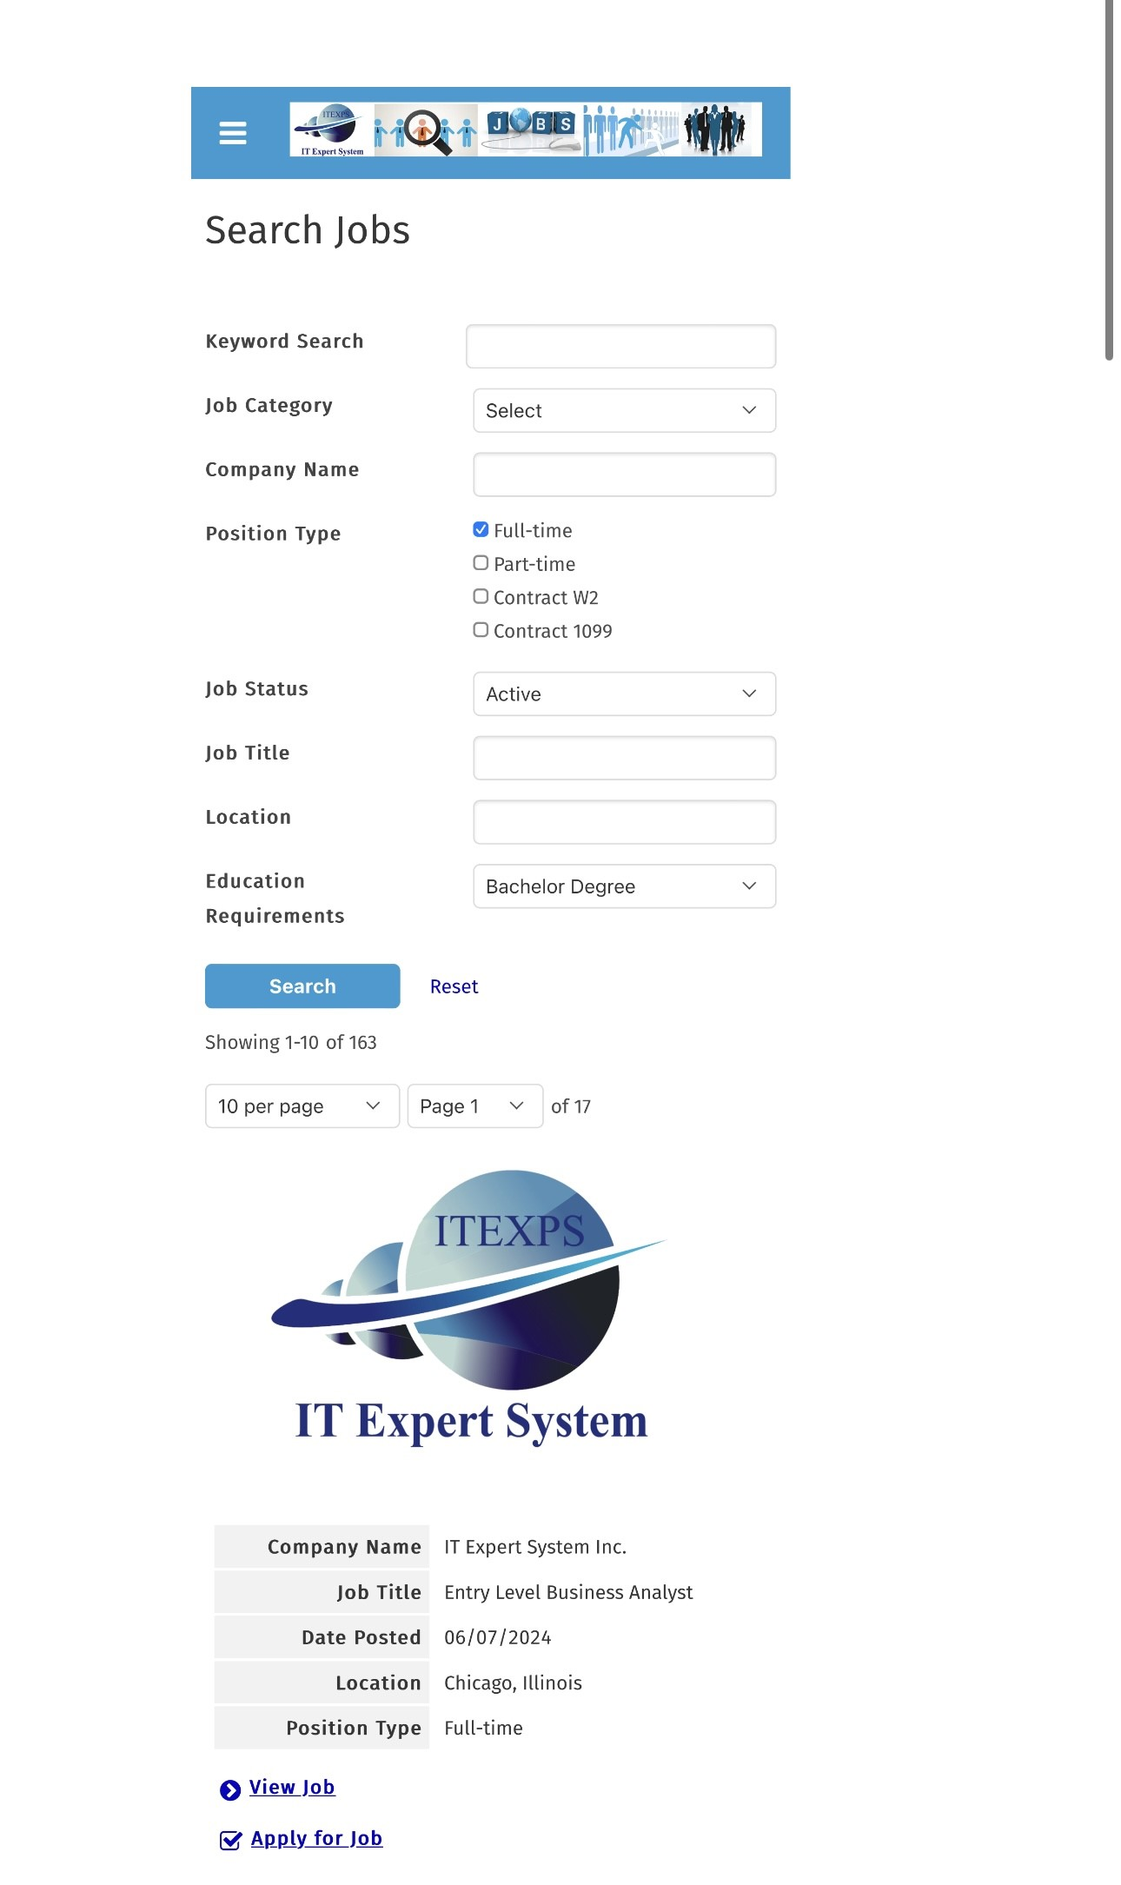
 |  | 2. Got to URL: https://www.schaumburgmarketplace.net/ |  |  | Website should be opened successfully. | Website opened successfully.
 |  | 3. Click on Jobs menu |  |  | "Search Jobs" page should be displayed. | "Search Jobs" page displayed.
 |  | 4. Select Job Category as "Management" |  |  | Under "Job Category" Management option should be selected successfully | As Expected result
 |  | 5. Click on Search button. |  |  | All the "Management" related jobs should be displayed. | As Expected result
 |  | 6. Click on "Apply for Job" link. |  |  | Login button should be displayed for the user to proceed ahead to apply for the job. | As Expected result (Afrer scrolling up)
 |  | 7. Click on "Login" button. |  |  | Login or SignUp form should be displayed to proceed ahead to apply for the job. | User is redirected to "Search Jobs" home page.

